1. Title Page
Grocery Basket Analysis

Project Name: Instacart Grocery Basket Analysis
Date: November 2, 2023
Analyst Name: Kristin Hing-Peterson

Contents:
Population Flow
Consistency checks
Wrangling steps
Column derivations
Visualizations
Recommendations

Data Citation: “The Instacart Online Grocery Shopping Dataset 2017”-- accessed from www.instacart.com/datasets/grocery-shopping-2017 via Kaggle on September 10, 2023.
 | Note: customer data as well as the "prices" column in the products data set were both fabricated for the purpose of this course.

2. Population Flow
Title page

Population flow

Exclusion flag
Condition: max_order <
Obervations to be removed:
Final total count of order_products_all:

Orders_products_combined
Orders_products_merged
Orders_products_all

Total: 32,434,212 / 17
Total: 32,434,489 / 13
Total: 32,434,212 / 31

1.) The grey boxes in the first row of the population flow represent the original data sets as they were when you downloaded them. In the Total fields you need to add the count of the rows when you imported the data set into Jupyter.
2.) The second row of boxes (coloured) represents the data sets after you manipulated them, e.g., removed missing values and duplicates. In the Total fields you need to add the count of the rows after conducting these operations. This offers a visual oveview of how the data flows throughout the data consistency checks.
3.) The third row, where also the arrows are coloured, represents the merges you performed between the datasets. In the Total fields you need to add the count of the rows in the merged datasets, so that you end up with the final dataset (in the red box). Keep in mind the final dataset should be without exclusions (based on the exclusion flag).

3. Consistency checks
 |  |  |  | Title page
Consistency checks

Dataset | Missing values | Missing values treatment | Duplicates
orders | 206,209 missing values in days_since_prior_order column | No treatment - corresponds with first-time customer orders | No duplicates found
products | 16 missing values in product_name column | Dropped | 5 full duplicates found (and removed)
orders_products_prior | No missing values found | No treatment | No duplicates found
customers | 11,259 missing values in first_name column | No treatment | No duplicates found

4. Wrangling steps
 |  |  |  |  | Title page
Wrangling steps

Dataset | Columns dropped | Columns renamed | Columns' type changed | Comment/Reason
orders | eval_set |  |  | Unnecessary column
orders |  | "order_dow" changed to "order_day _of_week" |  | For a more descriptive column name
orders |  | "orders_hour_of_day" to "order_hour_of_day" |  | For consistency in name formatting
customers |  | "First Name" changed to "first_name" |  | For consistency in name formatting
customers |  | "Surnam" changed to "last_name" |  | For consistency in name formatting
customers |  | "Gender" changed to "gender" |  | For consistency in name formatting
customers |  | "STATE" changed to "state" |  | For consistency in name formatting
customers |  | "Age" changed to "age" |  | For consistency in name formatting
customers |  | "n_dependants" changed to "number_of_dependants" |  | For a more descriptive column name
customers |  | "fam_status" to "family_status" |  | For a more descriptive column name
instacart | first_name, last_name |  |  | Personally Identifiable Information unnecessary to this analysis

5. Column derivations
 |  |  |  | Title page

Column derivations and aggregations

In this tab you should add tables below that the frequences of flags/label variables that you produced after deriving them. NB: don't do this for continuous variables, only for flags.
Dataset | New column | Column/s it was derived from | Conditions
orders_products_combined.pkl | price_range_loc | prices | Low-range product: prices <=5 Mid-range product: prices >5 & <=15 High-range product: prices >15
orders_products_combined.pkl | busiest_day | order_day_of_week | Busiest day: order_day_of_week = 0 Least busy: order_day_of_week = 4 Regularly busy: all else
orders_products_combined.pkl | busiest_days | order_day_of_week | Busiest days: order_day_of_week = 0 or 1 Least busy days: order_day_of_week = 4 or 3 Regularly busy days: all else
orders_products_combined.pkl | busiest_period_of_day | order_hour_of_day | Most orders: value ini 10, 11, 14, 15, 13, 12, 16, 9 Fewest orders: value in 23, 6, 0, 1, 5, 2, 4, 3 Average orders: all else
orders_products_newest.pkl | loyalty_flag | max_order that is derived from user_id & order_number | Loyal customer: max_order >40 Regular customer: max_order <=40 & >10 New customer: max_order <=10
orders_products_newest.pkl | spending_flag | mean_price that is derived from user_id & prices | Low spender: mean_price <=10 High spender: mean_price >=10
orders_products_newest.pkl | frequency_flag | median_days that is derived from user_id & days_since_prior_order | Non-frequent customemr: median_days >20 Regular customer: median_days >10 & <=20 Frequent customer: median_days <=10
instacart.pkl | region | state | Northeast: 'Maine', 'New Hampshire', 'Vermont', 'Massachusetts', 'Rhode Island', 'Connecticut', 'New York', 'Pennsylvania', 'New Jersey' Midwest: 'Wisconsin', 'Michigan','Illinois', 'Indiana', 'Ohio', 'North Dakota', 'South Dakota', 'Nebraska', 'Kansas', 'Minnesota', 'Iowa', 'Missouri' South: 'Delaware', 'Maryland', 'District of Columbia', 'Virginia', 'West Virginia', 'North Carolina', 'South Carolina', 'Georgia', 'Florida', 'Kentucky', 'Tennessee', 'Mississippi', 'Alabama', 'Oklahoma', 'Texas', 'Arkansas', 'Louisiana' West: 'Idaho', 'Montana', 'Wyoming', 'Nevada', 'Utah', 'Colorado', 'Arizona', 'New Mexico', 'Alaska', 'Washington', 'Oregon', 'California', 'Hawaii'
instacart.pkl | customer_activity | max_order | Highly active: max_order >=5 Lowly active: max_order >5
highly_active_customers | age_group | age | 20 yrs & younger: age <20 20-39 yrs:age >=20 & <40 40-59 yrs: age >=40 & <60 60-79 rs: age >=80
 | income_group | income | Lower income: income < 67000 Medium income: >= 67000 & <= 128000 Higher income: income > 128000
 | family_status_flag | family_status | Single with NO dependants: family status is 'divorced/widowed', 'living with parents and siblings', 'single' &''number_of_dependants'==0 Single WITH dependants: family status is 'divorced/widowed', 'living with parents and siblings', 'single' & 'number_of_dependants' >=1 Married with NO dependants: family status is 'married' & 'number_of_dependants' == 1 Married WITH dependants: family status is 'married' & 'number_of_dependants' > 1

6. Visualizations
 |  |  |  | Title page

Visualizations

Key Question 1: What are the busiest days of the week and hours of the day?

Visualization 1a: The busiest hours are from 9:00 to 16:00 |  |  | Visualization 1b: Saturday and Sunday are the busiest days of the week
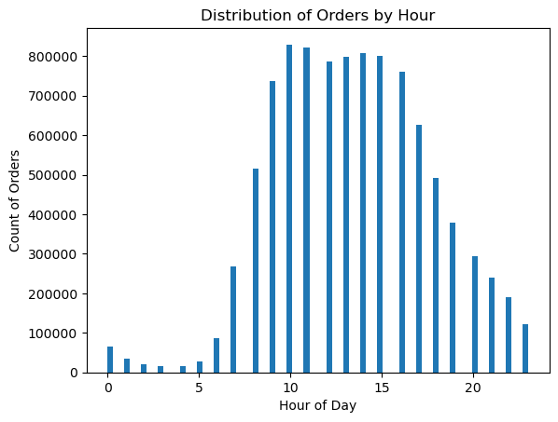


Observations on Key Question 1
The busiest hours are between 9:00 and 16:00 (the highest number of orders at 10:00). Orders steadily descrease from 17:00 through 23:00 onwards, with the fewest orders placed during night hours, then begins increasing again at 6:00.
Weekends (Saturday & Sunday) are the busiest days of the week. The slowest days are mid-week (Tuesdays & Wednesdays).

Key Question 2: Are there particular times of the day when people spend more money?

Visualization 2a: Average product prices hold fairly steady throughout the day |  |  | Visualization 2b: Product price rises slightly on Fridays & Saturdays
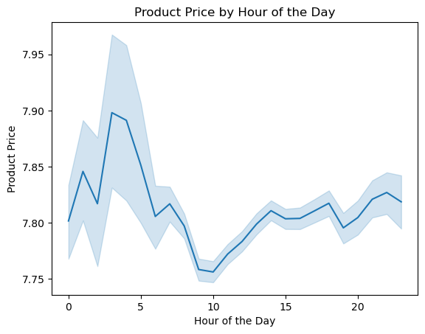
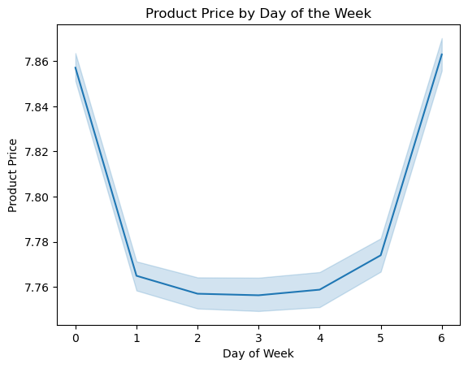

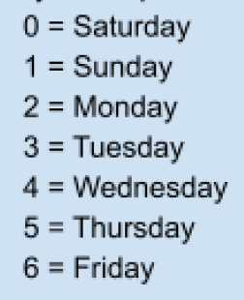

Observations on Key Question 2
Average price holds fairly steady throughout the day, hovering around $7.80 as seen in Visualization 2a, with a small peak to $7.95 during nighttime/early morning around 3:00AM, and lowest average price of $7.75 around 10:00AM.
Fridays & Saturdays (Days 6 & 0) average slightly higher priced products (Visualization 2b).

Key Question 3: Instacart has a lot of products with different price tags. Marketing and sales wants to use simpler price range groupings to help direct their efforts.

Visualization 3: Most products fall into the $1-5 and $5-10 price range
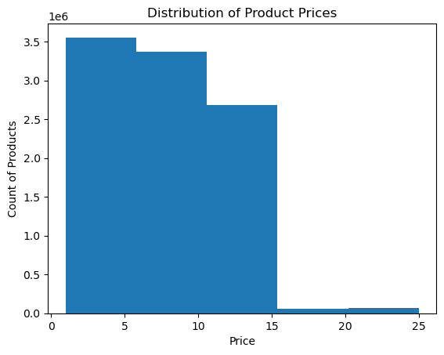

Observations on Key Question 3
Product prices shown above have been grouped into $5 increments. The vast majority of products fall within the $1 to $15 price range. Products ranging from $16 to $25 have the lowest frequency.
 | Note: Outliers were found pricing up to $99,999 and were all excluded as these were clearly mistakes.

Key Question 4: What are the most popular product types (which departments have the highest frequency of product orders)?

Visualization 4a: Produce is the most popular department |  |  | Visualization 4b: The most popular item is bananas (both regular & organic)
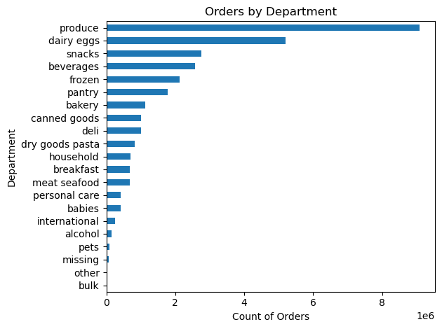
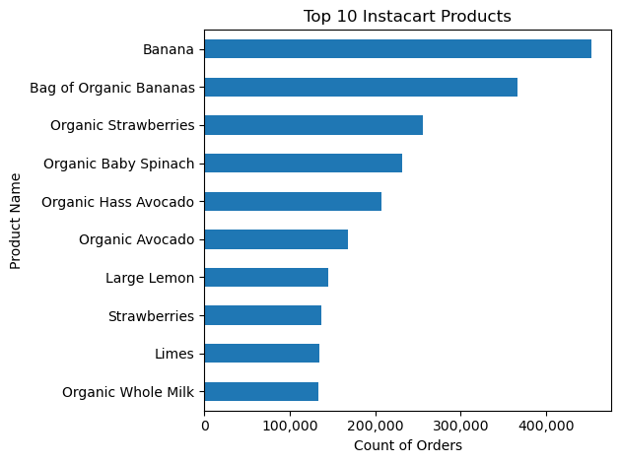

Observations on Key Question 4
Produce is by far the most popular department. Dairy & Eggs is the second most popular, followed by Snacks, Beverages, Frozen, and Pantry.
The most popular item is bananas (both regular & organic). Of the top 10 items across Instacart, nine are in the produce department, one (organic whole milk) is in dairy eggs.

Key Question 5: What is the distribution among users in regards to their brand loyalty? Are there differences in ordering habits based on region?

Visualization 5a: Frequent customers (who come back to Instacart in less than 10 days) account for the most orders |  |  | Visualization 5b: Across regions customers are predominantly "Low Spenders" (ordering products with an average price of less than $10)
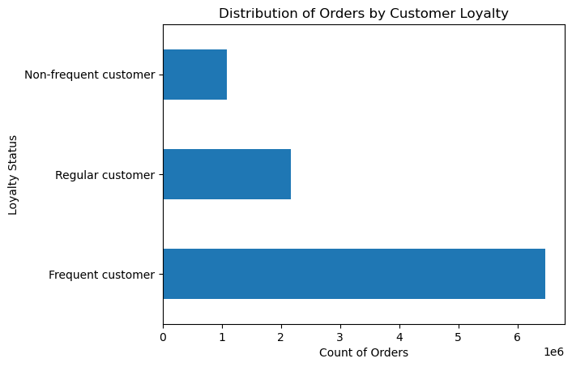
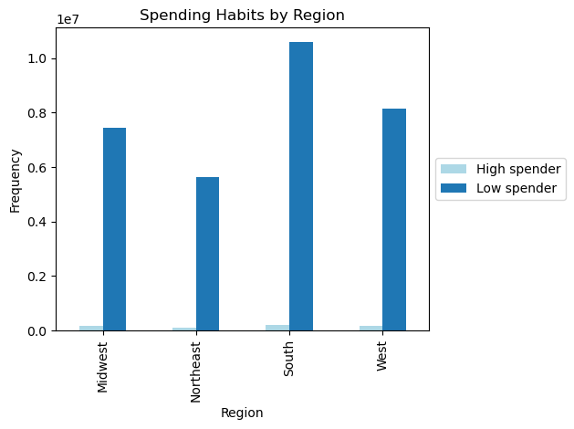

Observations on Key Question 5
Frequent customers (defined as customers who come back to Instacart within a maximum of 10 days) account for the highest number of Instacart orders.
 | Regular customers (defined as customers who return to Instacart within 10 to 20 days) are second.
 | The least amount of orders are placed by Non-Frequent customers (defined as customers who take more than 20 days to return to Instacart).
Low spenders (who order products with a mean price lower than $10) make up the vast majority of customers across regions. "High spenders" (mean product price higher than $10) make up a very small minority of customers.
In terms of regional differences, we observe the highest number of orders in the South, followed by the West and then Midwest. The Northeast accounts for the least number of orders.

Key Question 6: What different classifications does the demographic information suggest? Is there a connection between age and family status in terms of ordering habits?

Visualization 6a: Across regions, Middle Age (40-65 years) places the most orders, followed by Under 40 then Seniors 65+ |  |  | Visualization 6b: Customer incomes range from $25k to $593k (with 50% between $67k - $128k)
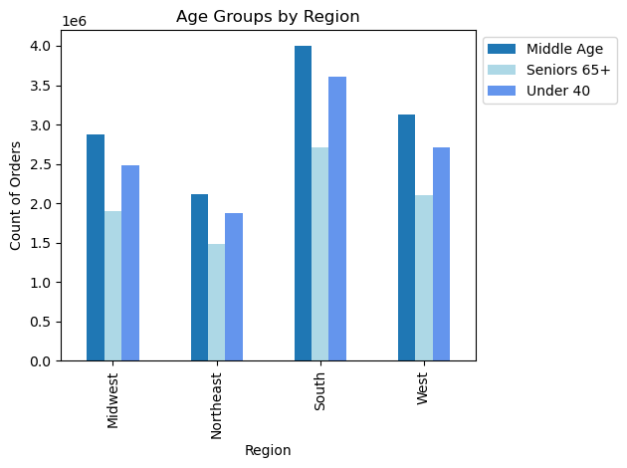
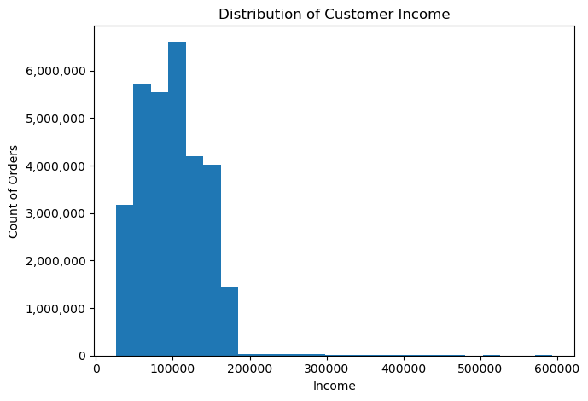

Visualization 6c: Instacart customer income increases with age |  |  | Visualization 6d: Middle Age is typically Middle to Higher income; Under 40 is predominantly Lower to Middle income
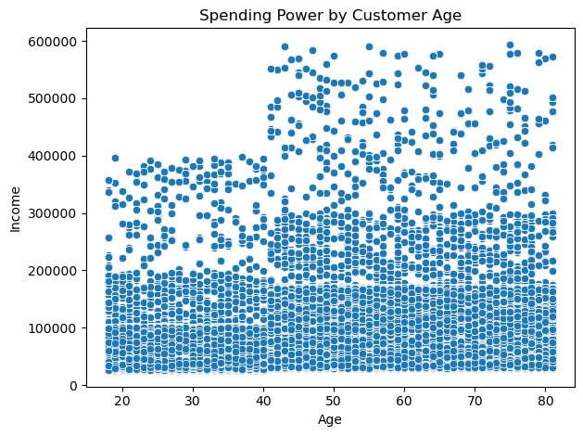
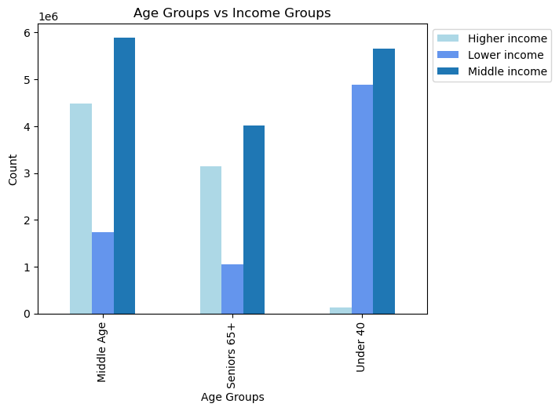

Visualization 6e: Gender is evenly split (50/50) across regions as well as every other category (age, income, family status) |  |  | Visualization 6f: No discernable difference in gender across age group nor any other category (income, family status, region)
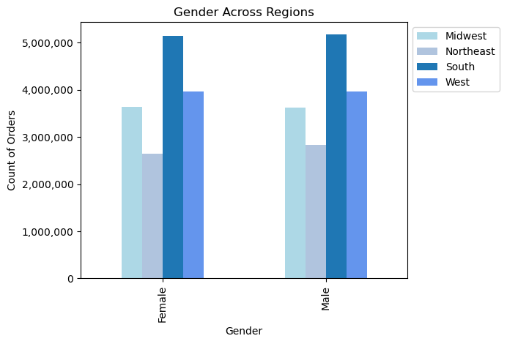
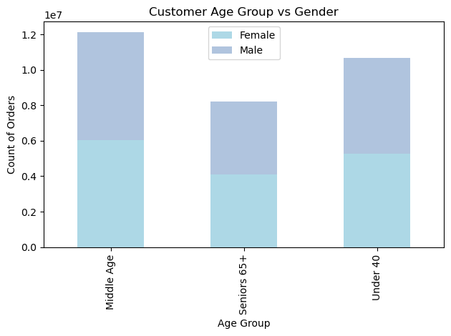

Visualization 6g: On average the Under 40 customer tends to be single, Middle Age is married, and Seniors 65+ divorced/widowed. |  |  | Visualization 6h: Instacart customers have an average of one or more dependants across age groups
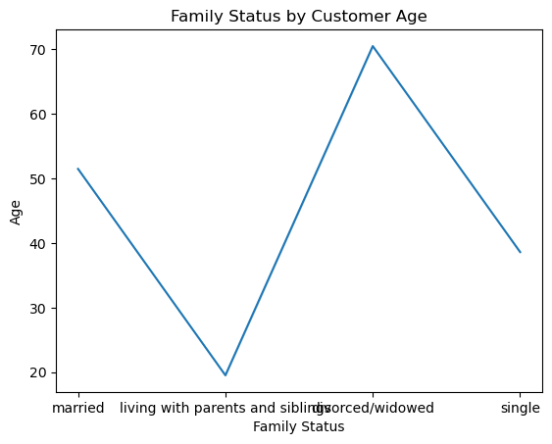
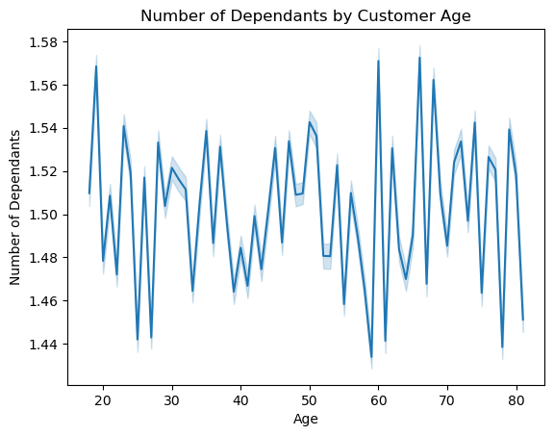

Visualization 6i: Most orders are placed by customers who are married |  |  | Visualization 6j: Married customers with dependants place the most orders across income groups
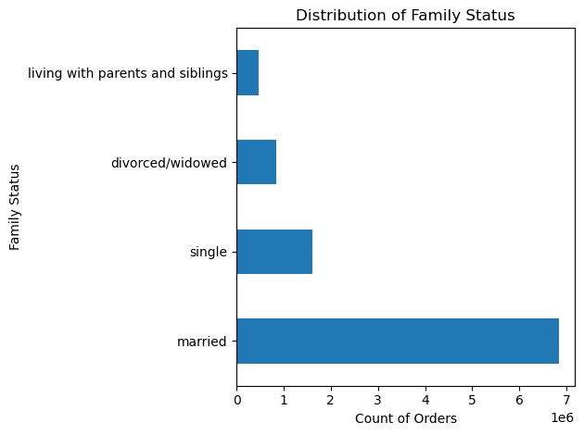
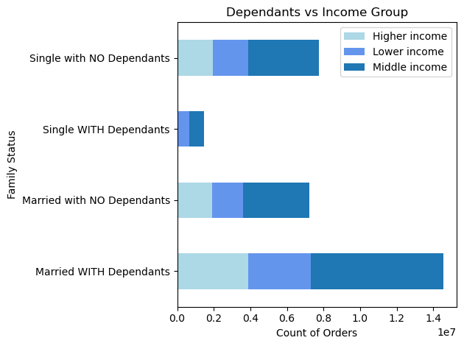

Observations on Key Question 6
Age: | Across regions, most orders are placed by customers who are Middle Age (40-65 years old), followed by Under 40 and then Seniors 65+.
Income: | While Instacart customer income ranges from $25,000 - $593,000, half (50%) of all Instacart orders come from users with incomes ranging between $67,000 and $128,000.
 | Customer income increases with age -- the Middle Age group is mostly Middle to Higher income; Under 40 is predominantly Lower to Middle income.
Gender: | Gender is evenly split (50% female, 50% male) across age, region, income, and family status.
Family: | On average the Under 40 customer tends to be single, Middle Age is married, and Seniors 65+ divorced/widowed.
 | Instacart customers have an average of one or more dependants across age groups.
 | Most orders are placed by customers who are married. Across income groups, married customers with dependants place more orders compared to married with no dependants.

Key Question 7: What differences can you find in ordering habits of different customer profiles?

Visualization 7a: Regardless of family status, most orders are placed between the hours of 9:00 to 16:00 |  |  | Visualization 7b: Across regions, most Instacart customers have placed between 10 and 40 orders (Regular customer)
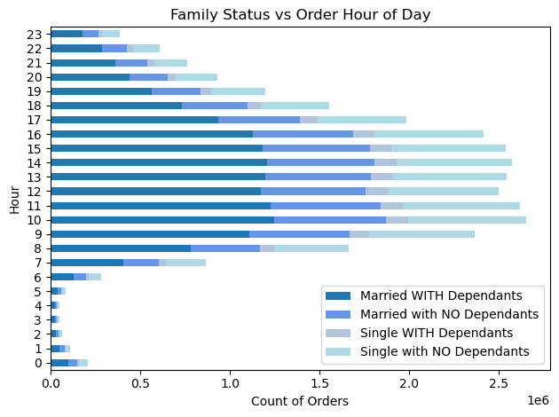
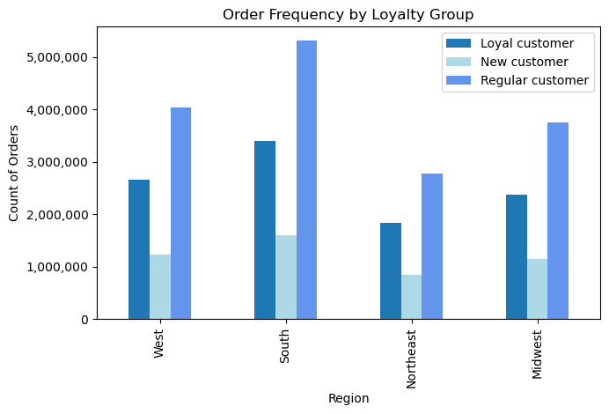

Visualization 7c: Frequent customers (who return in less than 10 days) are also the most Loyal (more than 40 orders) |  |  | Visualization 7d: Produce, Dairy Eggs, and Snacks are the most popular departments across income groups.
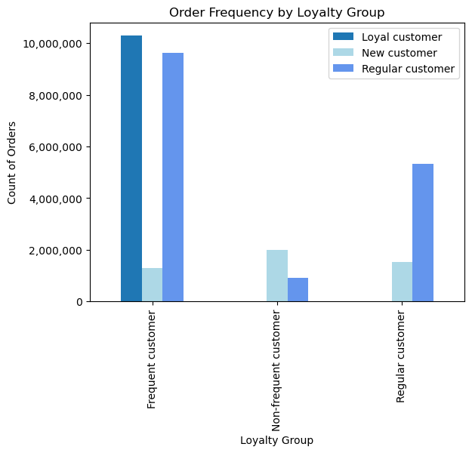
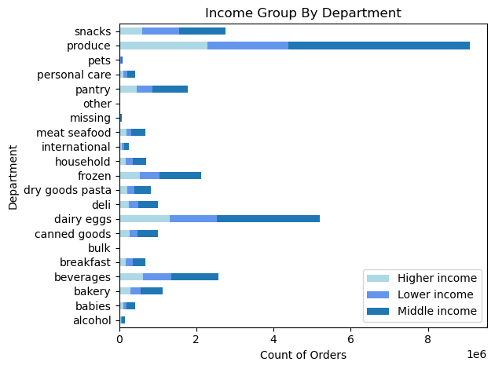

Observations on Key Question 7
Most orders are placed between the hours of 9:00 to 16:00, regardless of customer family status.
Across regions, most customers are "Regular customers" (having ordered from Instacart 10 to 40 times).
Frequent customers (who return in less than 10 days) are also the most Loyal (placing more than 40 orders).
 | Note: | Frequent customer = returns in less than 10 days, Regular customer = returns in 10 to 20 days, Non-Frequent customer = returns after more than 20 days.
 |  | Loyal customer = more than 40 orders, Regular customer = 10 to 40 orders, New customer = less than 10 orders.
Produce, Dairy Eggs, and Snacks are the most popular departments across all customer profiles (age, gender, family status, income, region).

7. Recommendations
 |  |  |  | Title page

Recommendations

In this tab you should include any recommendations you would made to Instcart in terms of their marketing strategy based on the questions posed in the brief. Every key question has been covered in the Tasks of the Exercises - here you need to add an item - a visualisation or table/crosstable that is showing the answer in the data, acompanied by a comment from you. Please, list the questions below and add the answer underneath.

Key Question 1: What are the busiest days of the week and hours of the day?
Observation: | Weekends (Saturday & Sunday) are the busiest days of the week. The slowest days are mid-week (Tuesdays & Wednesdays).
 | The busiest hours are from 9:00 to 16:00, then orders steadily decrease through 23:00 with very little activity through the night until the number of orders starts to pick up again beginning 6:00.

Recommendation: | 1. To attract new customers, run ads at the busiest hours between 9:00 and 16:00 and on weekends (the most popular days/times when users order from Instacart the most).
 | 2. To boost sales during slower times, run ads on Tuesdays & Wednesdays (the least busy days) and in the evenings after 17:00 and/or early mornings before 9:00 (least busy hours).
 |  | Note: while the absolute slowest hours are from 23:00 to 5:00, it may not make sense to invest in running too many ads at these times when most people are typically asleep.

Key Question 2: Are there particular times of the day when people spend the most money?
Observation: | Average price holds fairly steady throughout the day, hovering around $7.80 as seen in Visualization 2a, with a small peak to $7.95 during nighttime/early morning around 3:00AM, and lowest average price of $7.75 around 10:00AM.
 | Fridays & Saturdays (Days 6 & 0) average slightly higher priced products (Visualization 2b).

Recommendation: | It is not advised to target ads based on average product price given that the average product price varies only slightly throughout the day (and also peaks at 3:00AM when number of orders is lowest).
 |  | Note: the hour of day when average product price is lowest (10:00) coincides with the hour when order volume is highest (visualization 1a).

Key Question 3: Instacart has a lot of products with different price tags. Marketing and sales wants to use simpler price range groupings to help direct their efforts.
Observation: | The vast majority of products fall within the $1 to $15 price range. Products ranging from $16 to $25 have the lowest frequency. Most products fall into the $1 to $5 and $5 to $10 range.
 |  | Note: Outliers were found pricing up to $99,999 and were all excluded as these were clearly mistakes.
Recommendation: | A simple price range grouping of $5 increments is suggested.

Key Question 4: What are the most popular product types (which departments have the highest frequency of product orders)?
Observation: | Produce is by far the most popular department. Dairy & Eggs is the second most popular, followed by Snacks, Beverages, Frozen, and Pantry.
 | The most popular item is bananas (both regular & organic). Of the top 10 items across Instacart, nine are in the produce department, one (organic whole milk) is in dairy eggs.

Recommendation: | 1. When targeting new customers in particular, feature products from the bestselling departments (Produce, Eggs & Dairy, Snacks, Beverages).
 | 2. When targeting frequent customers, promote add-on products to boost sales from other departments (such as Bakery, Deli, Seafood, and Pets).

Key Question 5: What is the distribution among users in regards to their brand loyalty? Are there differences in ordering habits based on region?
Observation: | Frequent customers (defined as customers who come back to Instacart within a maximum of 10 days) account for the highest number of Instacart orders.
 |  | Regular customers (defined as customers who return to Instacart within 10 to 20 days) are second.
 |  | The least amount of orders are placed by Non-Frequent customers (defined as customers who take more than 20 days to return to Instacart).
 | Low spenders (who order products with a mean price lower than $10) make up the vast majority of customers across regions. "High spenders" (mean product price higher than $10) make up a very small minority of customers.
 | While trends are similar across regions, we also observe the highest number of orders in the South, followed by the West. The Northeast accounts for the least number of orders.

Recommendation: | Since the majority of users are Frequent customers, reward them for their continued loyalty.
 |  | Additionally, for new, regular, and non-frequent customers, consider providing incentives (such as free delivery within a certain date) to encourage returning in under 10 days.
 | Since users are by far Low Spenders, promotions and other discounts may be popular with Instacart customers (and help further increase sales volume).
 | Evaluate and/or consider increasing marketing efforts in the Northeast and Midwest to boost orders in these regions.

Key Question 6: What different classifications does the demographic information suggest? Is there a connection between age and family status in terms of ordering habits?
Observation: | Age: | Across regions, most orders are placed by customers who are Middle Age (40-65 years old), followed by Under 40 and then Seniors 65+.
 | Income: | While Instacart customer income ranges from $25,000 - $593,000, half (50%) of all Instacart orders come from users with incomes ranging between $67,000 and $128,000 (designated as "Middle Income" in this analysis).
 |  | Customer income increases with age -- the Middle Age group is mostly Middle to Higher income; Under 40 is predominantly Lower to Middle income.
 | Gender: | Gender is evenly split (50% female, 50% male) across age, region, income, and family status.
 | Family: | On average the Under 40 customer tends to be single, Middle Age is married, and Seniors 65+ divorced/widowed.
 |  | Instacart customers have an average of one or more dependants across age groups.
 |  | Most orders are placed by customers who are married. Across income groups, married customers with dependants place more orders compared to married with no dependants.

Recommendation: | The biggest customer demographic for Instacart is aged 40-65 years old, married with dependants, and income ranging between $67k to $128k -- this is the key audience to target with marketing efforts.

Key Question 7: What differences can you find in ordering habits of different customer profiles?
Observation: | Most orders are placed between the hours of 9:00 to 16:00, regardless of customer family status.
 | Across regions, most customers are "Regular customers" (having ordered from Instacart 10 to 40 times).
 | Frequent customers (who return in less than 10 days) are also the most Loyal (placing more than 40 orders).
 |  | Note: | Frequent customer = returns in less than 10 days, Regular customer = returns in 10 to 20 days, Non-Frequent customer = returns after more than 20 days.
 |  |  | Loyal customer = more than 40 orders, Regular customer = 10 to 40 orders, New customer = less than 10 orders.
 | Produce, Dairy Eggs, and Snacks are the most popular departments across all customer profiles (age, gender, family status, income, region).

Recommendation: | Instacart customers tend to be very loyal. Continue to encourage and reward customer loyalty at all levels with incentives to return quickly and often.
 |  | Consider launching a survey on customer satisfaction to identify 1) what features Frequent and Loyal customers love the most, and 2) any pain points holding back regular or new customers from becoming frequent customers.

